A_B test.NewYear
New Year campaign - A/B test

Hypothesis
Null hypothesis (H₀):
There is no significant difference between the conversion rates for the New_Year_V1 (control) and NewYear_V2 (variant) campaigns.
Alternative hypothesis (H_{a}):
There is a significant difference between the conversion rates for the NewYear_V1 and NewYear_V2 campaigns.
Significance level: 0.05
No. of tails: 2

Results

Month | Campaign | Impressions | Clicks_Upd | COV(%)
202101 | NewYear_V1 | 4430 | 57 | 1.287%
202101 | NewYear_V2 | 13039 | 30 | 0.230%

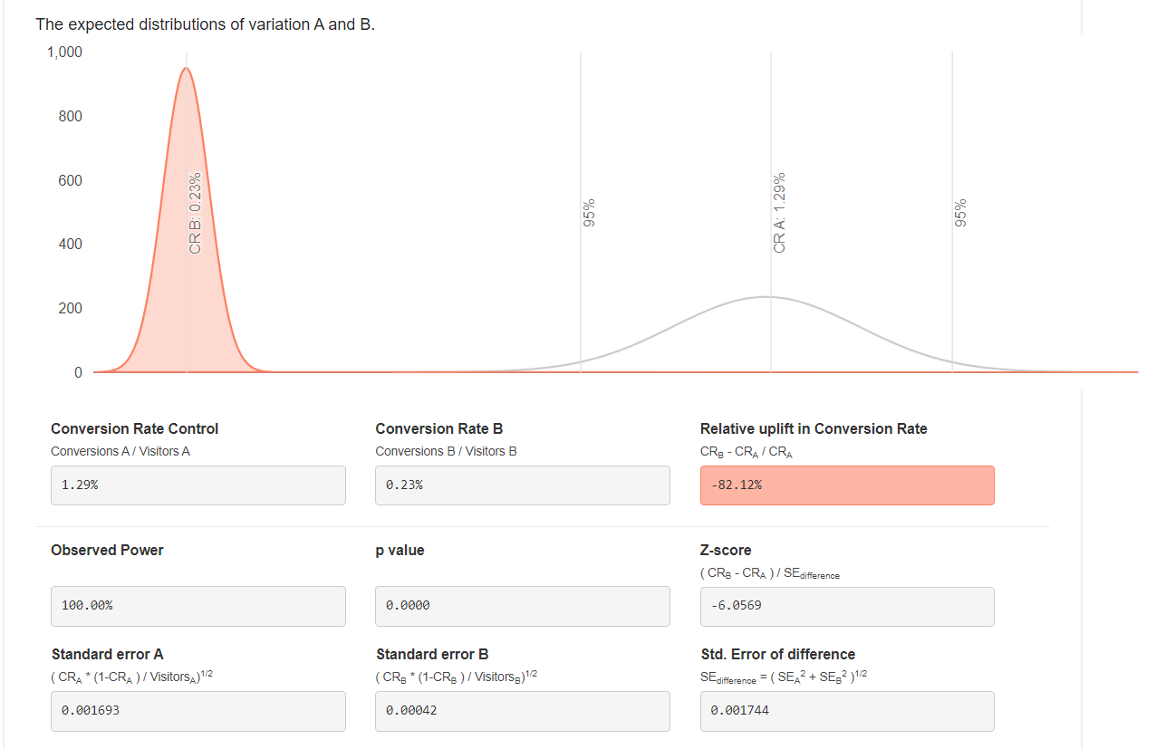
Source: A/B-Test Calculator

Validation
p-value: | 0.000

Interpretation
There is enough evidence to reject the null hypothesis with 95% confidence (at a 5% significance level). There is also enough evidence to reject the null hypothesis with 99% confidence, although this is beyond the scope of my initial test.
We can conclude with statistical significance that version 1 of the New Year campaign has a higher conversion rate than version 2.
(Note: I changed from the Binomial calculator to an online version, because the binomial calculator seemed to do only one-tailed tests and I couldn't trust the uplift values.)

A_B test.BlackFriday
Black Friday campaign - A/B test

Hypothesis
Null hypothesis (H₀):
There is no significant difference between the conversion rates for the Black Friday_V1 and Black Friday_V2 campaigns.
Alternative hypothesis (H_{a}):
There is a significant difference between the conversion rates for the Black Friday_V1 and Black Friday_V2 campaigns.
Significance level: 0.05
No. of tails: 2

Results

Month | Campaign | Impressions | Clicks_Upd | COV(%)
202011 | BlackFriday_V1 | 8220 | 8 | 0.097%
202011 | BlackFriday_V2 | 24276 | 24 | 0.099%

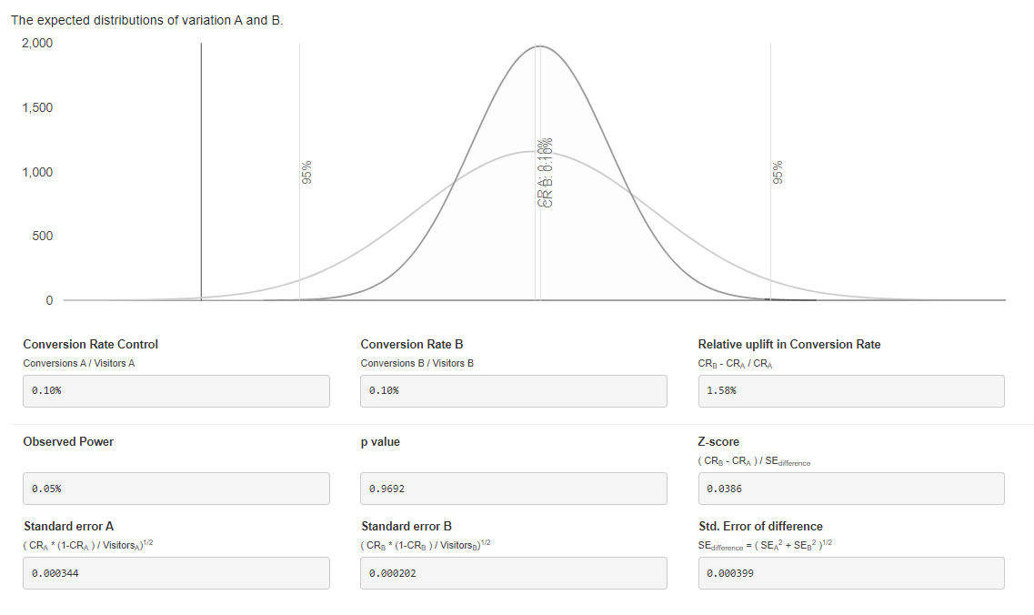
Source: A/B-Test Calculator

Validation
p-value: | 0.96920214442

Interpretation
There is not enough evidence to reject the null hypothesis with 95% confidence (at a 5% significance level).
We can conclude that there is no significant difference between the two campaigns.

